UTC_001
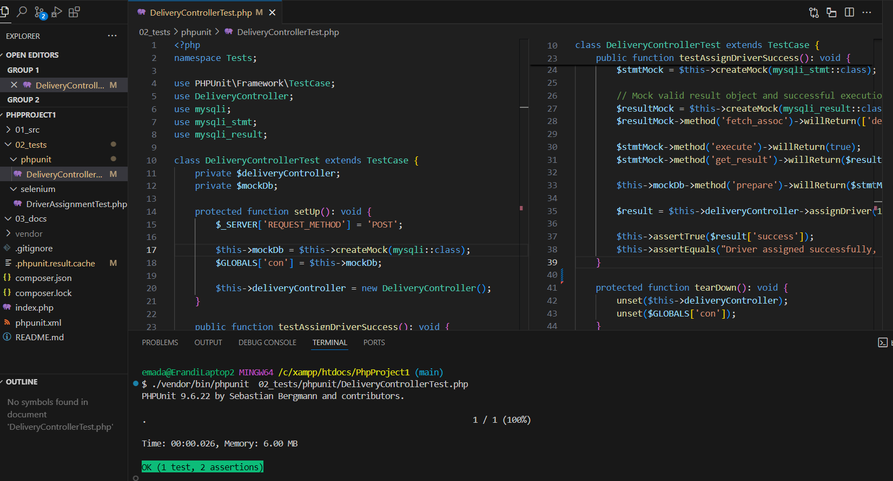
Test Case ID | UTC_001 | Test Case Description | Assign driver successfully | Created By | Erandi
Test Scenario | The system should successfully assign a driver to a delivery when a valid delivery ID and driver ID are provided. | Date Tested | 2025-02-02 | Test Case Status | Pass

S# | Preequisites |  | S# | Test Data
1 | A valid delivery with the status "Ready to Dispatch." |  | 1 | Delivery ID = 1
2 | A driver with a non zero quota exists in the system. |  | 2 | Driver ID = 2
3 | PhpUnit is installed and configured.

Step # | Step Details | Expected Results | Actual Results | Status
1 | Call the assignDriver() method with deliveryId = 1 and driverId = 2. | Receive response "Driver assigned successfully, and driver's daily quota updated". | The test executed successfully without errors. | Pass
2 | Mock the driver availability check to ensure the driver has quota.
3 | Mock the database update for assigning the driver.
4 | Verify the response message and success status.

ITC_001
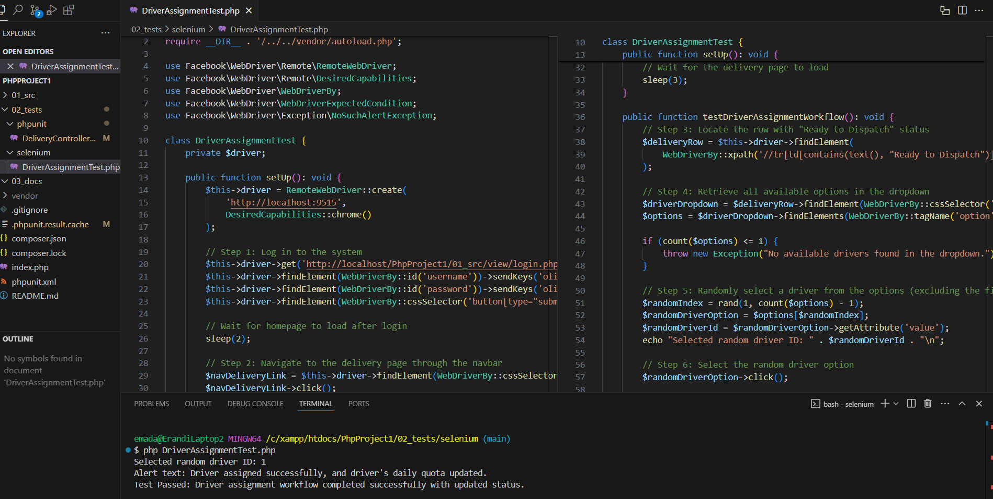
Test Case ID | ITC_001 | Test Case Description | Driver assignment workflow | Created By | Erandi
Test Scenario | The system should successfully navigate to a delivery with "Ready to Dispatch" status, assign a driver, handle alerts, and update the delivery status to "Driver Assigned." | Date Tested | 2025-02-03 | Test Case Status | Pass

S# | Preequisites |  | S# | Test Data
1 | The user is registered and has a valid login. |  | 1 | Username = oliver@gmail.com
2 | A delivery exists in the system with the status "Ready to Dispatch." |  | 2 | Password = oliver123
3 | Selenium WebDriver and ChromeDriver are installed and configured. |  | 3 | Delivery Status = Ready to Dispatch
 |  |  | 4 | Driver ID

Step # | Step Details | Expected Results | Actual Results | Status
1 | Enter valid credentials and click the submit button to log in. | The alert should display: "Driver assigned successfully, and driver's daily quota updated." | The alert text was correctly displayed and handled. | Pass
2 | Navigate to the delivery page by clicking the "Delivery List" link in the navbar. | The delivery status should change to "Driver Assigned." | The delivery status updated to "Driver Assigned."
3 | Locate a row with the status "Ready to Dispatch."
4 | Find the driver dropdown in the located row.
5 | Retrieve all available driver options.
6 | Randomly select a driver from the dropdown and click it.
7 | Click the "Save" button in the same row.
8 | Handle the alert that pops up, ensuring it is accepted.
9 | Verify that the status column updates to "Driver Assigned."

TC_SEC_SQLI_001
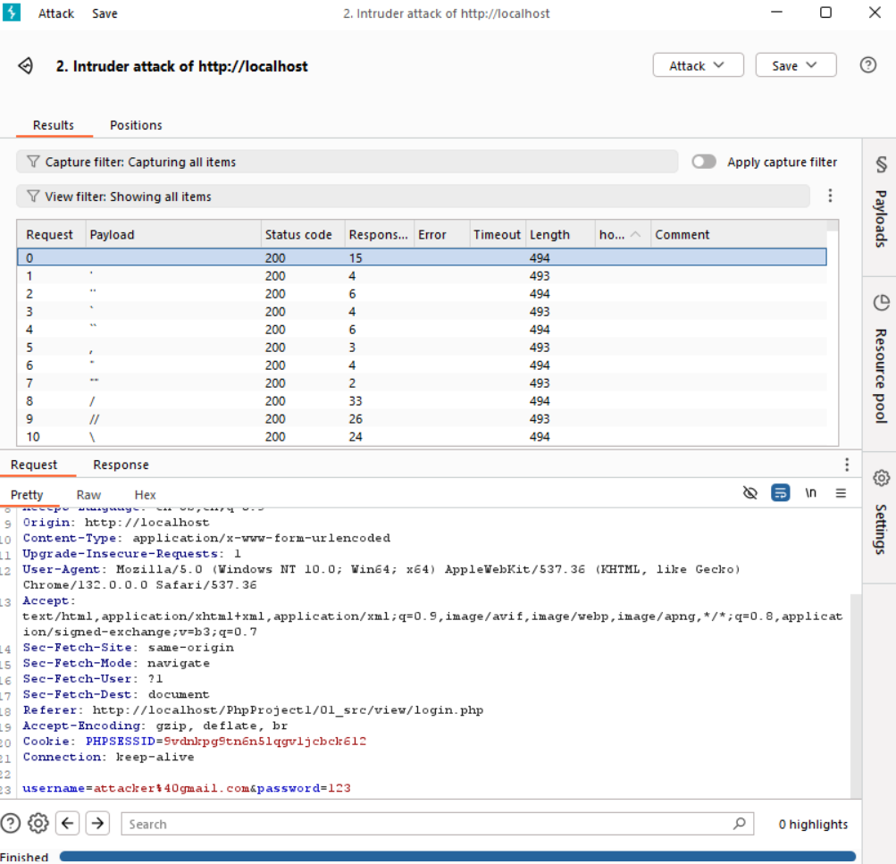
Test Case ID | TC_SEC_SQLI_001 | Test Case Description | SQL Injection Vulnerability Test | Created By | Erandi
Test Scenario | The login input field should reject all malicious payloads attempting unauthorized access. | Date Tested | 2025-02-05 | Test Case Status | Pass

S# | Preequisites |  | S# | Test Data
1 | SQL payloads prepared. |  | 1 | Payload list from SQL-Injection-Payloads.txt file.
2 | Burp Suite set up for SQLi attack.

Step # | Step Details | Expected Results | Actual Results | Status
1 | Load the login page from Chromium browser. | The application should not allow any SQL injection payload to bypass authentication. | None of the payloads were able to bypass authentication and redirect to Homepage. | Pass
2 | Submit invalid credentials (e.g., Username: "attacker", Password: "123"). | Responses should not contain the keyword "homepage".
3 | Capture the login request through Burp Suite.
4 | Send the captured request to Intruder.
5 | In Intruder, select Sniper Attack mode.
6 | Select the username field as the injection point.
7 | Load payloads from the SQL-Injection-Payloads.txt file.
8 | Configure the payload processing rules to flag results that contain the keyword "homepage".
9 | Start the attack and monitor the response table.

